List1
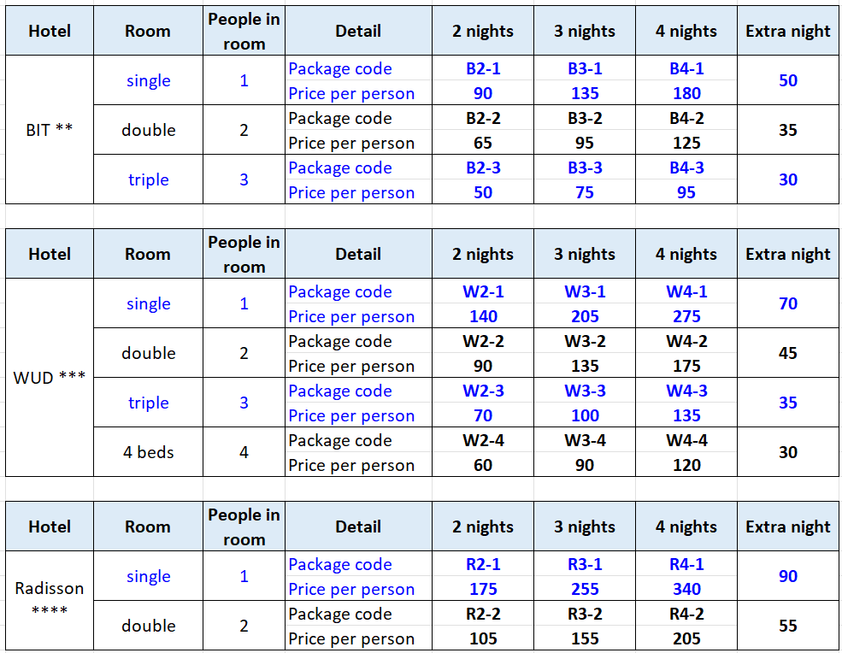
 | Slovenian Masters 2022

 |  |  |  |  |  |  |  |  |  |  |  |  |  |  |  | Meals at the club
No | First name | Family name | Player / Accompanying person | Birth date | ESID | Category | T-shirt size | Hotel package | Room sharing with | Extra nights (number) | Date and time of arrival | Flight number | Date and time of departure | Flight number | Transfer from / to Lj airport (25 eur) | Players' party - Sat, April 2nd (20 eur) | Lunch - Fri, April 1st (10 eur) | Dinner - Fri, April 1st (10 eur) | Lunch - Sat, April 2nd (10 eur) | Lunch - Sun, April 3rd (10 eur) | Total
1 |  |  |  |  |  |  |  |  |  |  |  |  |  |  |  |  |  |  |  |  | #N/A
2 |  |  |  |  |  |  |  |  |  |  |  |  |  |  |  |  |  |  |  |  | #N/A
3 |  |  |  |  |  |  |  |  |  |  |  |  |  |  |  |  |  |  |  |  | #N/A
4 |  |  |  |  |  |  |  |  |  |  |  |  |  |  |  |  |  |  |  |  | #N/A
5 |  |  |  |  |  |  |  |  |  |  |  |  |  |  |  |  |  |  |  |  | #N/A
6 |  |  |  |  |  |  |  |  |  |  |  |  |  |  |  |  |  |  |  |  | #N/A
7 |  |  |  |  |  |  |  |  |  |  |  |  |  |  |  |  |  |  |  |  | #N/A
8 |  |  |  |  |  |  |  |  |  |  |  |  |  |  |  |  |  |  |  |  | #N/A
9 |  |  |  |  |  |  |  |  |  |  |  |  |  |  |  |  |  |  |  |  | #N/A
10 |  |  |  |  |  |  |  |  |  |  |  |  |  |  |  |  |  |  |  |  | #N/A
11 |  |  |  |  |  |  |  |  |  |  |  |  |  |  |  |  |  |  |  |  | #N/A
12 |  |  |  |  |  |  |  |  |  |  |  |  |  |  |  |  |  |  |  |  | #N/A
13 |  |  |  |  |  |  |  |  |  |  |  |  |  |  |  |  |  |  |  |  | #N/A
14 |  |  |  |  |  |  |  |  |  |  |  |  |  |  |  |  |  |  |  |  | #N/A
15 |  |  |  |  |  |  |  |  |  |  |  |  |  |  |  |  |  |  |  |  | #N/A

 | Optional hotel packages – NOTE: ALL PRICES PER PERSON • Bed & breakfast in selected hotel for selected number of nights • Radisson guests will be offered shuttle between hotel and venue

